Sheet1
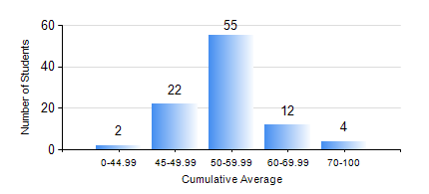
 |  |  | KWAME NKRUMAH UNIVERSITY OF SCIENCE AND TECHNOLOGY, KUMASI Department of Agricultural and Biosystems Engineering

 |  |  | BSC. AGRICULTURAL ENG.

 |  |  | COMPREHENSIVE RECORD OF EXAMINATION RESULTS

 |  |  | RESULTS OF YEAR 3 FIRST SEMESTER, 2018/2019 ACADEMIC YEAR

 | Sn | Course Code |  | Course Name | Credit Hours | Min. Mark | Max. Mark | Avg. Mark | Std. Dev. | No. Passed | No. Trailed | No. (Df) | No. (I) | No. (I*) | No. Tagged(I,I*,Df) | Total
 | 0. |  |  |  |  |  |  | 0 | 0 | 0 | 0 | 0 | 0 | 0 | 0 | 4
 | 1. | AE 351 |  | SOIL AND WATER ENGINEERING | 3 | 40 | 86 | 62 | 12.73 | 91 | 0 | 0 | 0 | 0 | 0 | 91
 | 2. | AE 353 |  | AGRICULTURAL MATERIALS HANDLING AND PROCESSING | 3 | 31 | 81 | 57 | 7.86 | 90 | 1 | 0 | 0 | 0 | 0 | 91
 | 3. | AE 373 |  | MACHINE DESIGN I | 3 | 19 | 83 | 50 | 12.14 | 81 | 10 | 0 | 0 | 0 | 0 | 91
 | 4. | MATH 351 |  | NUMERICAL ANALYSIS | 2 | 38 | 81 | 53 | 10.8 | 90 | 1 | 0 | 0 | 0 | 0 | 91
 | 5. | ME 355 |  | STRENGTH OF MATERIALS II | 3 | 17 | 91 | 51 | 15.89 | 83 | 8 | 0 | 0 | 0 | 0 | 91
 | 6. | ME 365 |  | THERMODYNAMICS II | 3 | 26 | 78 | 45 | 9.18 | 84 | 7 | 0 | 0 | 0 | 0 | 91

